Sheet1
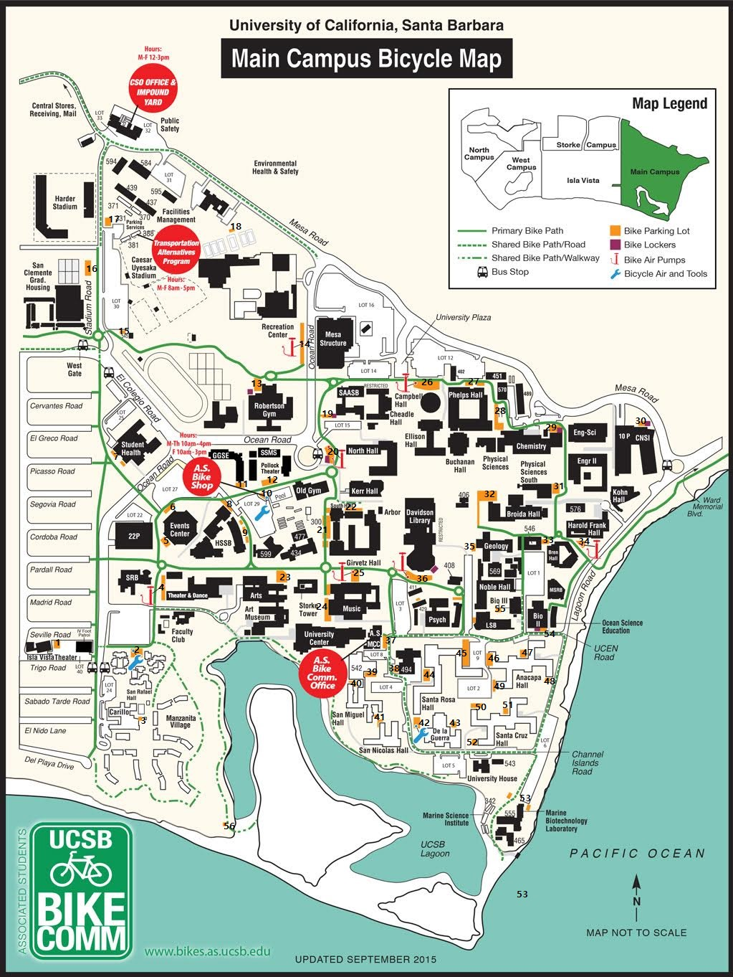

 | Location Name | Latitude | longitude | Description
1 | IslaVistaTheater | 34.411415 | -119.854650
2 | SanRafaelHall | 34.411365 | -119.852618
3 | CarilloDinning | 34.409986 | -119.852546
4 | TheaterAndDance | 34.412555 | -119.851892
5 | EventsCenterN | 34.413522 | -119.851730
6 | EventsCenterS | 34.414064 | -119.851657
7 | StudentHealth | 34.415168 | -119.853050
8 | HSSBN | 34.414203 | -119.850176
9 | HSSBS | 34.413643 | -119.849854
10 | ASBikeShop | 34.414399 | -119.849429
11 | GGSE | 34.414627 | -119.850250
12 | PollockTheater | 34.414671 | -119.849278
13 | RobertsonGym | 34.416602 | -119.849578
14 | RecreationCenter | 34.417485 | -119.848502
15 | Lot30 | 34.417737 | -119.853023
16 | StadiumRoad | 34.419235 | -119.853748 | Near San Clemente
17 | HarderStadium | 34.419977 | -119.853378
18 | Lot17 | 34.419779 | -119.850247 | Near Police Office
19 | Lot15 | 34.416046 | -119.847737 | Near Administration
20 | NorthHall | 34.415306 | -119.847737
21 | SouthHallW | 34.413694 | -119.847779
22 | SouthHallN | 34.414167 | -119.847227
23 | Arts | 34.412770 | -119.848901
24 | MusicW | 34.412364 | -119.847817
25 | MusicN | 34.412814 | -119.847064
26 | CampbellHall | 34.416612 | -119.845334
27 | PhelpsHallN | 34.416708 | -119.844116
28 | PhelpsHallE | 34.416117 | -119.843641
29 | Chemistry | 34.415696 | -119.842306
30 | CNSI | 34.415858 | -119.840049 | Caliornia NanoSystem Institute
31 | PhysicalSciencesSouth | 34.414565 | -119.842136
32 | BroidaHall | 34.414329 | -119.843444
33 | BrenHall | 34.413523 | -119.842423
34 | HaroldFrankHall | 34.413516 | -119.841742
35 | Geology | 34.413361 | -119.844151
36 | DavidsonLibrary | 34.412807 | -119.845575
37 | ASMCC | 34.411566 | -119.846398 | near Ucen
38 | CollegeOfCreativeStudies | 34.410970 | -119.846107
39 | OrtegaDiningCommons | 34.410814 | -119.846774
40 | SanMiguelHallN | 34.410667 | -119.847222
41 | SanMiguelHallS | 34.409919 | -119.846560 | SanNicolasHallN
42 | DeLaGuerraE | 34.409889 | -119.845658
43 | DeLaGuerraW | 34.409889 | -119.844741
44 | SantaRosaHallW | 34.410791 | -119.845368
45 | SantaRosaHallE | 34.411153 | -119.844400
46 | AnacapaHallW | 34.411123 | -119.843881
47 | AnacapaHallN | 34.411227 | -119.842949
48 | AnacapaHallE | 34.410813 | -119.842322
49 | AnacapaHallS | 34.410599 | -119.843738
50 | SantaCruzHallW | 34.410163 | -119.844150
51 | SantaCruzHallN | 34.410104 | -119.843388
52 | SantaCruzHallS | 34.409476 | -119.844150
53 | MarineBiotechnologyLaboratory | 34.408264 | -119.842949
54 | BioII | 34.411715 | -119.842564
55 | LSB | 34.412114 | -119.843621
56 | UCSBLagoon | 34.407795 | -119.850394

